Sheet1
 |  | Document No. | Issue No. | Issue Date |  | Review and Replace Date |  | Authorised By
 |  | GFF353MC | 1 | 25.03.2022 |  | New Issue |  | Magda Shah
 |  | Document Title | INDIAN SELECTION 200g
 |  |  |  |  |  |  |  | Magda Shah
Document amendments reason for change |  | Document created |  | Page 1 of 1 | Previous Issue Date |  | New Issue | Uncontrolled copy unless signed original

CINSC-R6TAC | Authentic Cuisine |  | INDIAN SELECTION 200G | CHILLED
STEP 1 |  |  |  | STEP 2
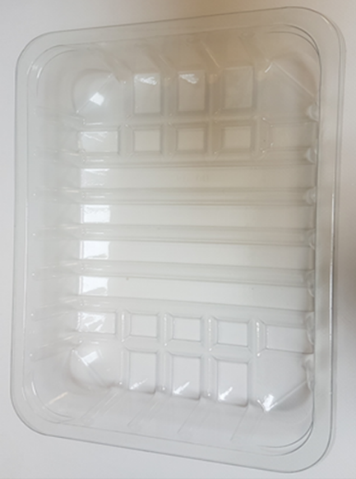 |  |  |  | 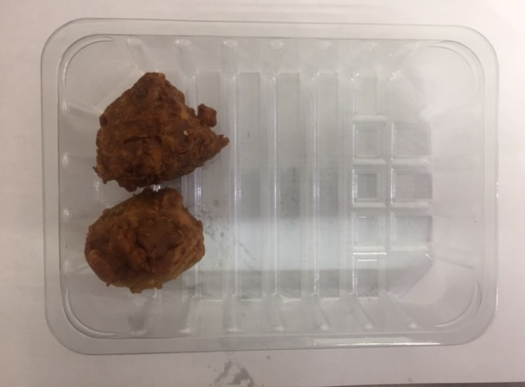

Tray: SK4-Plain Clear (PKESSOO1-07) |  |  |  | 2 x Onion Bhaji 30g (GFF121R): 60g
Film: ME300AFV2, 300mmx 1000m (PKPRO001-16)
STEP 3 |  |  |  | STEP 4
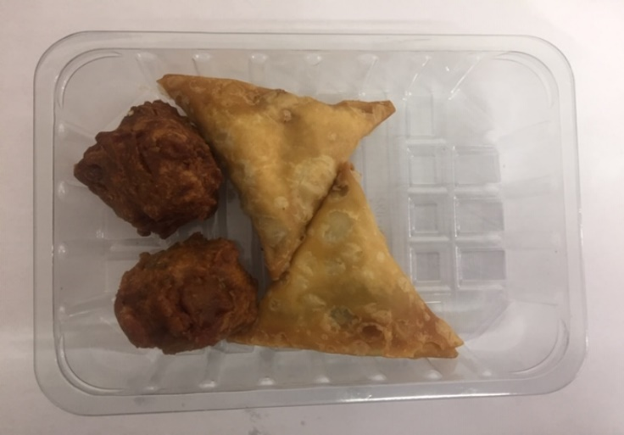 |  |  |  | 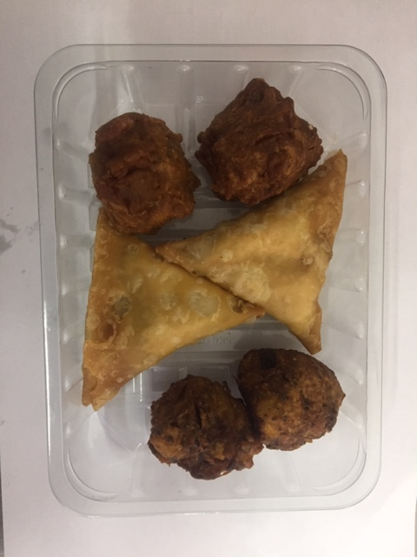

2 x Vegetable Samosa 40g (GFF003R): 80g |  |  |  | 2 x Vegetable Pakora 30g (GFF122R): 60g
 |  |  |  | Total Weight: 200g
ALLERGY ALERT: WHEAT

